Ask
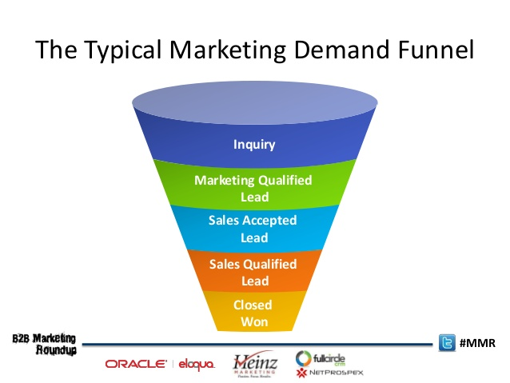
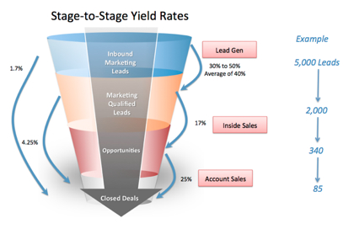
1. Create a dashboard
2. ENT/EU -> Inbound and Outbound
3. ENT/EU -> Spends-> Inbound
4. County Filter
5. Metrics
Pipeline
Revenue
Leads by Inbound
Spends by Funnel Objective
Follow Up%
Conversion %
Acquisation % - SRL - Inbound
6. Program Level

Inbound = New Customers - Leads
Outbound = Existing Customers - Targets

